Sheet1
Key Concepts of Microservices
 | Independently Deployability
 | Modelled Around a Business Domain
 | Owning Their Own State
 | Flexibility | microservices buy you options, There is a cost for deciding later
 | Alignment of Architecture and Organization

Enabling Technology
 | Log Aggregation and Distributed Tracing
 | Containers and Kubernetes
 | Streaming | Sharing Data between microservices
Advantages of Microservices | Technology Heterogeneity
 | Robustness
 | Scaling
 | Ease of Deployment
 | Organizational Alignment
 | Composability
Microservice Pain Points | Developer Experience | Too much memory in the Development environment
 | Technology Overload
 | Cost
 | Reporting / Analytics
 | Monitoring and Troubleshooting
 | Security
 | End To End Testing
 | Latency
 | Data Consistency
Good Microservice Boundary | Information Hiding
 | Cohesion | the code that changes together, stays together
 | Coupling
 | The Interplay of Coupling And Cohesion | A structure is stable if cohesion is strong and coupling is low

Types Of Coupling

Splitting the Monolith

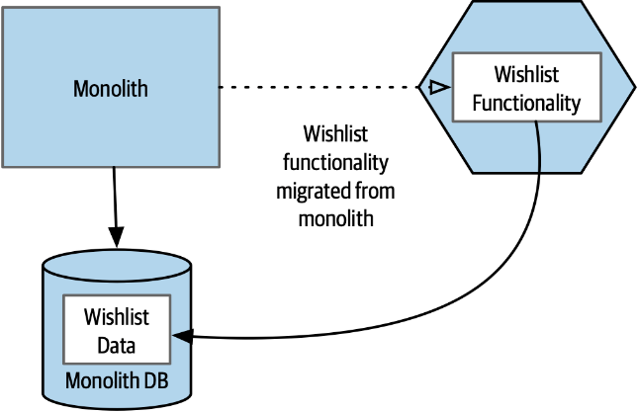
Decomposition By Layer

 | Code First

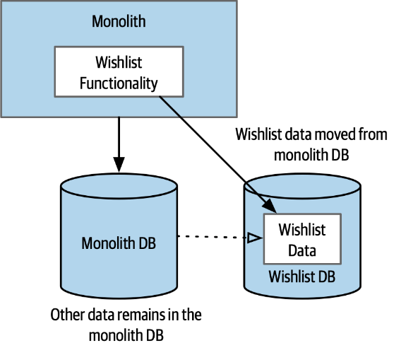

 | Data First

Useful Decompositional Patterns
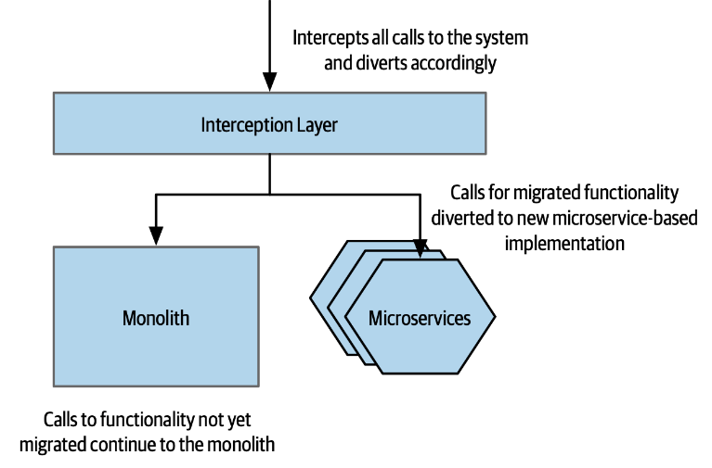

 | Strangler Fig Pattern

 | Parallel Run
 | Feature Toggle | Toggle features between systems
Data Decomposition Concerns | Performance
 | Data Integrity
 | Transactions
 | Tooling
 | Reporting Database

Microservice Communication Styles

Challenges of Inter-process Comm |  | Microservices call are over network, Inter-process
 | Performance | Over the network calls are slow
 | Changing Interfaces | Need to find some way to phase the rollout of the new microservice contract
 | Error handling | With a distributed system, the nature of errors can be different. You are vulnerable to a host of errors that are outside of your control.
Technology for Inter-process Communication
 | Synchronous Blocking | A microservice makes a call to another microservice and blocks operation waiting for the response. | Very Simple, familier and intitutive. This creates temparory coupling Can create network congustion Do not form long chain of calls
 | Asynchronous Non-Blocking | The microservice emitting a call is able to carry on processing whether or not the call is received. | Complex. Use for long running microservices Use for long chain of calls
 | Request-response | A Microservice sends a request to another microservice asking for something to be done. It expects to receive a response to the request informing it of the result.
 | Event-Driven | Microservices emit events, which other microservices consume and react to accordingly. The microservice emitting the event is unaware of which microservices, if any, consume the events it emits. | microservice emits events which may or may not be received by other microservices. It is an inherently asynchronous interaction, as the event listeners will be running on their own thread of execution.
 | Common Data | Not often seen as a communication style, microservices collaborate via some shared data source.

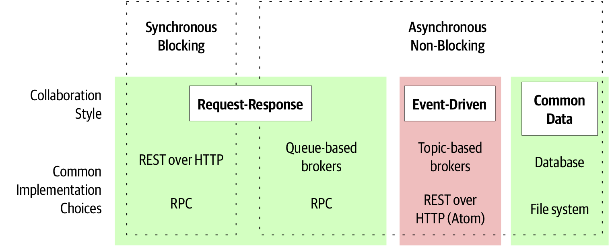

Looking For the Ideal Technology
 | Make Backwards Compatibility Easy
 | Make Your Interface Explicit
 | Keep Your APIs Technology-Agnostic
 | Make Your Service Simple for Consumers
 | Hide Internal Implementation Detail

Technology Choices | Remote Procedure Calls | Frameworks that allow for local method calls to be invoked on a remote process. Common options include SOAP and gRPC. Most of the technology in this space requires an explicit schema, such as SOAP or gRPC. In the context of RPC, the schema is often referred to as an Interface Definition Language, or IDL, with SOAP refering to it’s schema format as Web Service Definition Language (WSDL) | Technology Coupling Local Calls Are Not Like Remote Calls Brittleness
 | REST AND HTTP | REST over HTTP is a sensible default choice for service-to-service interactions obvious choice for a synchronous request-response interface large scale and effective caching of requests External Client Facing Services | Compare to binary protocol, HTTP has much slower performance Not suitable for Low Latency use cases
 | GraphQL | Makes it possible for a client-side device to define queries that can avoid the need to make multiple requests to retrieve the same information exposes a schema for the client devices to use Usecase: exposing functionality to external clients,typically GUIs obvious fit for mobile devices | the client device can issue dynamically changing queries caching is more complex Does not handle writes so well
 | Message Brokers | QUEUES | Point to Point
 |  | TOPICS | Multiple receiver can subscribe and everyone receives a copy
 |  | Gurenteed Delivery write to multiple topics in a single transaction

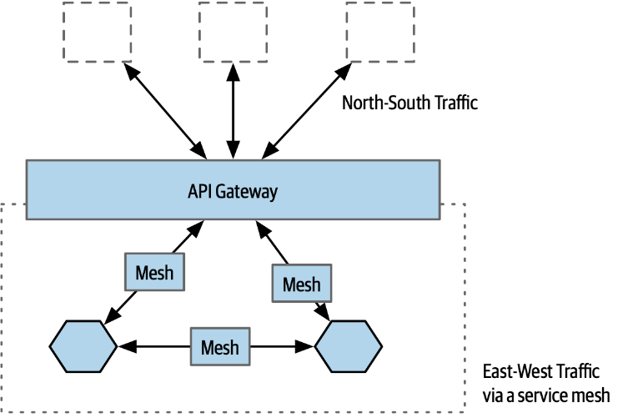
 |  | service meshes and API gateways can work as proxies between microservices
 |  | API Gateway | service mesh
Service Meshes and API Gateways |  | primary concerns are managing access from the outside world to your internal microservices | deals very narrowly with communication between microservices inside your perimeter
 |  | Smart API Gateway is overkill. | mutual TLS
 |  | Keeps pipes dumb and end points smart | inserting correlation IDs
 |  |  | service discovery
 |  |  | load balancing
 |  |  | useful in implementing standard behavior across microservices created by different teams
 | service mesh | Making it easy to implement common behavior across microservices is one of the big benefits of a service mesh. If this common functionality was implemented solely through shared libraries, changing this behavior would require every microservice to pull in a new version of said libraries and be deployed before that change is live. With a service mesh, you have much more flexibility in rolling out changes in terms of inter-microservice communication without requiring a rebuild and redeploy | 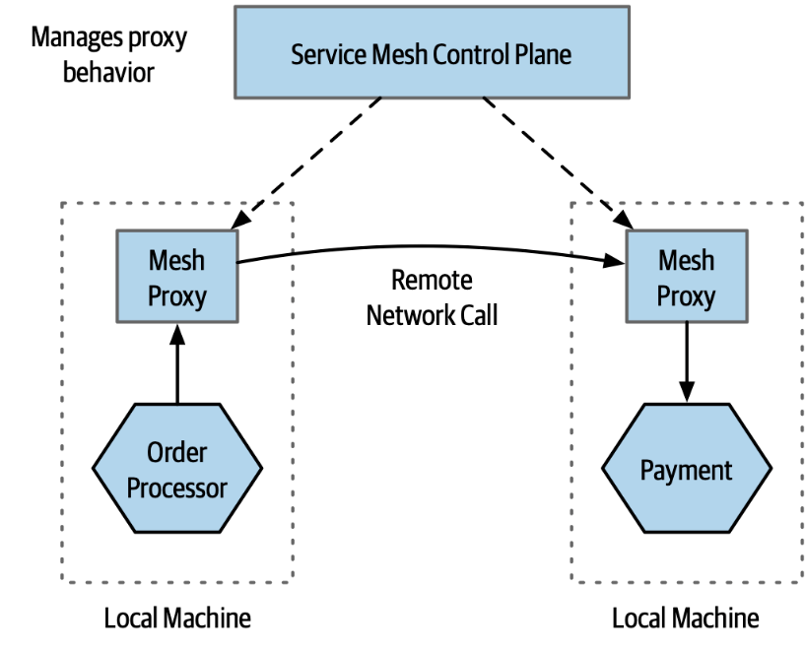
 |  | architecture is based on trying to limit the impact caused by calls to and from the proxy
 |  | This is achieved primarily by distributing the proxy processes to run on the same physical machines as the microservice instances, to ensure that the number of remote network calls are limited
 |  | A control plane would sit on top of the local mesh proxies, acting as both a place where the behavior of these proxies can be changed, but also a place where you can collect information about what the proxies are doing.

Sagas | a saga is by design an algorithm that can coordinate multiple changes in state, but avoids the need for locking resources for long periods of time. We do this by modeling the steps involved as discrete activities that can be executed independently. It comes with the added benefit of forcing us to explicitly model our business processes, which can have significant benefits saga allows us to recover from business failures, not technical failures | break down LLT into a sequence of transactions, each of which can be handled independently. The idea is that the duration of each of these “sub” transactions will be shorter lived, and will modify only part of the data affected by the entire LLT. As a result, there will be far less contention in the underlying database as the scope and duration of locks is greatly reduced.
 | Saga Failure Modes | Backward recovery | A rollback.involves reverting the failure, and cleaning up afterwards need to define compensating actions that allow us to undo previously committed transactions
 |  | Forward recovery | pick up from the point where the failure occurred. For that to work, we need to be able to retry transactions, which in turn implies that our system is persisting enough information to allow this retry to take place.
 |  | compensating transaction | A compensating transaction is an operation that undoes a previously committed transaction. To roll back our order fulfillment process, we would trigger the compensating transaction for each step in our saga that has already been committed Because we cannot always cleanly revert a transaction, we say that these compensating transactions are semantic rollbacks

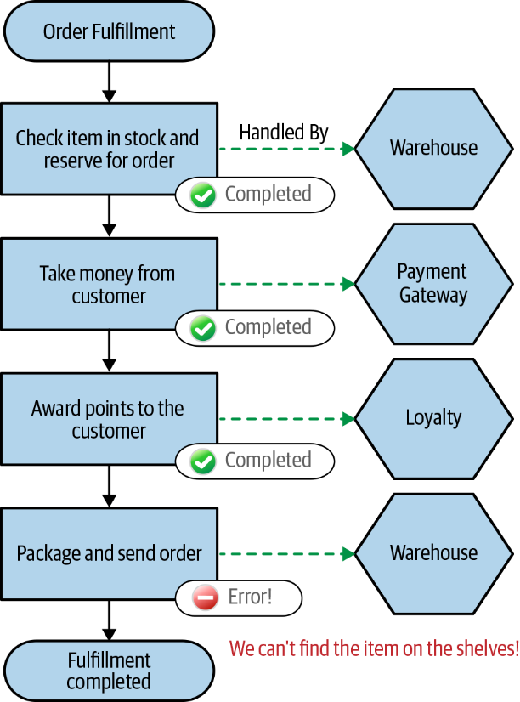
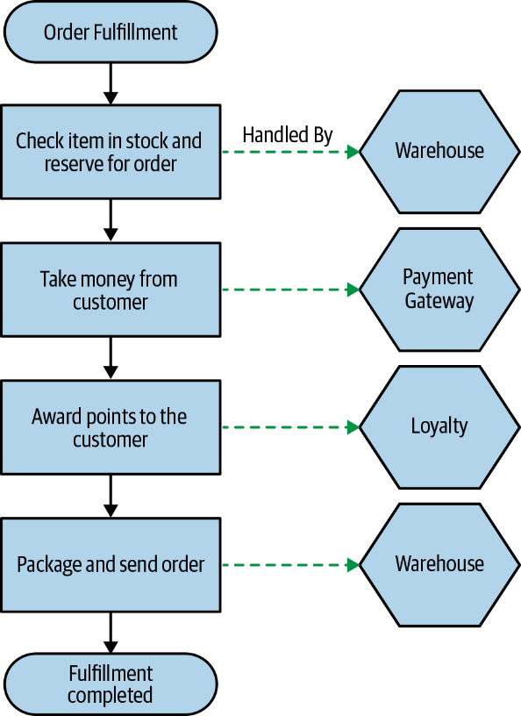
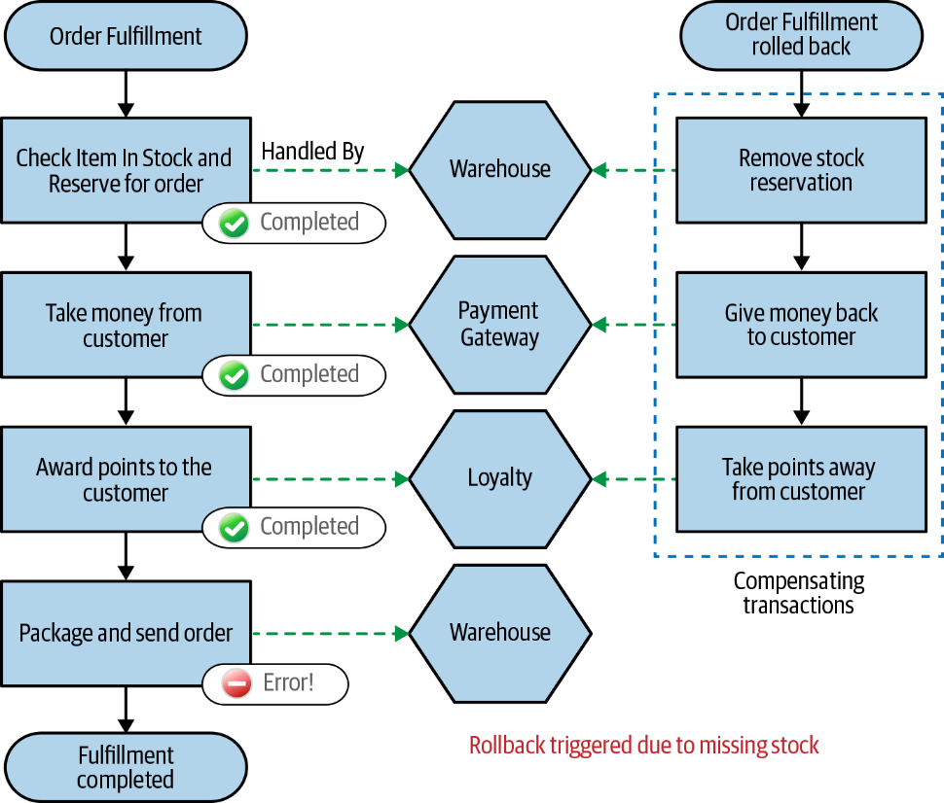

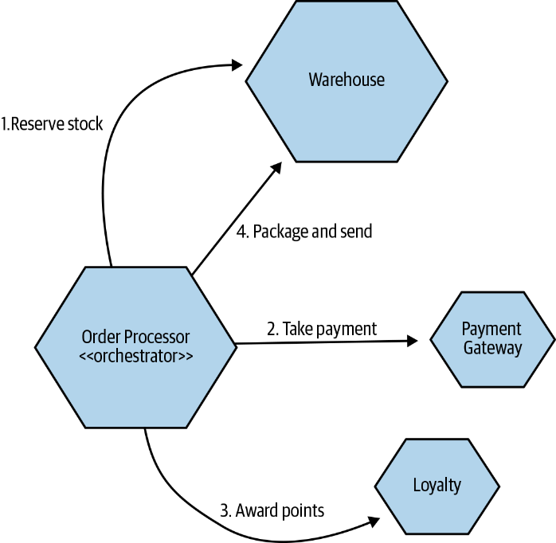
Implementing Sagas | ORCHESTRATED SAGAS | command-and-control architecutre
 |  | Orchestrated sagas use a central coordinator (what we’ll call an orchestrator from now on) to define the order of execution and to trigger any required compensating action
 |  | Having our business process explicitly modeled is useful
 |  | this is a somewhat coupled approach
 |  | logic that should otherwise be pushed into the services can start to instead become absorbed in the orchestrator

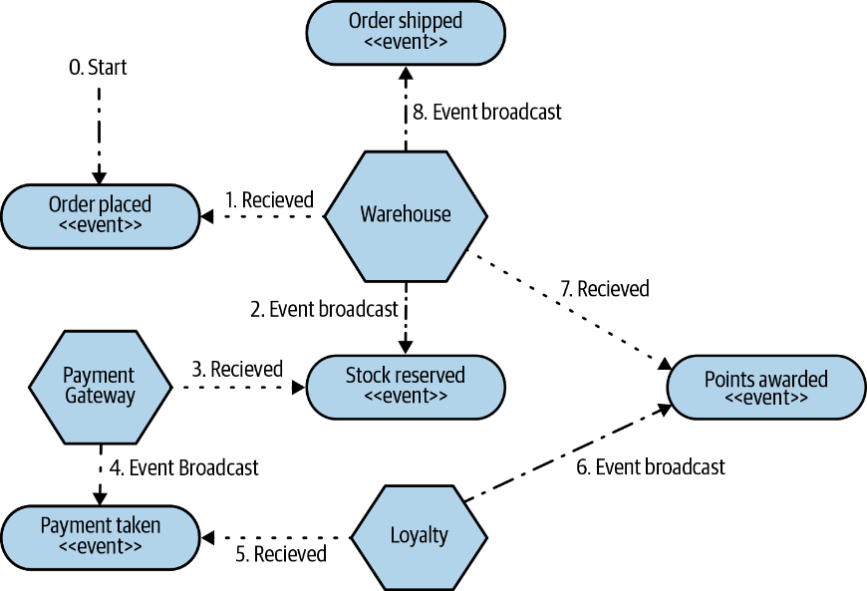
 | CHOREOGRAPHED SAGAS | trust-but-verify architecture
 |  | aim to distribute responsibility for the operation of the saga among multiple collaborating services
 |  | Each Microservice reacts to event and broadcast event on complition Service does not know from where event is originating Multiple services can respond to single event
 |  | Reduces coupling and centralization
 |  | lack a way of knowing what state a saga is in

 | Isolated Execution | Run microservice instances in an isolated fashion where they have their own computing resources, and their execution cannot impact other microservice instances running nearby.
Principles Of Microservice Deployment | Focus On Automation | As the number of microservices increases, automation becomes increasingly important. Focus on choosing technology which allows for a high degree of automation, and adopt automation as a core part of your culture.
 | Infrastructure As Code | Represent the configuration for your infrastructure to ease automation and promote information sharing. Store this code in source control to allow for environments to be recreated.
 | Zero-downtime Deployment | Take independent deployability further, and ensure that deploying a new version of a microservice can be done without any downtime to users of your service (be it humans or other microservices).
 | Desired State Management | Use a platform that maintains your microservice in a defined state, launching new instances if required in the event of outage or traffic increases.

